Main Table Instructions
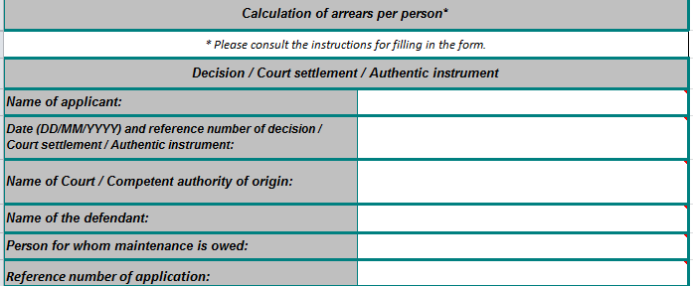
Instructions - Guide to filling in the main table
This is a non mandatory form. It can be completed by the applicant and/or any person/authority authorised in the requesting Member State to complete the form on the applicant's behalf. It can be completed electronically or on paper, using Excel or PDF format.

1.
2.
3.
4.
5.
6.

1. Enter the name of the applicant i.e. the physical person / public body that claims the maintenance amount on his/her/its own behalf.
2. Enter the date and reference number of the decision, court settlement or authentic instrument on which the calculation of arrears is based. If the calculation of arrears is based on more than one decision, court settlement, authentic instrument, enter the date and reference of all decisions, court settlements or authentic instruments by enlarging the cell/using more lines in the cell.
3. Enter the name of the court or other competent authority of origin. If more than one court or competent authority is involved (as per point 2), enter the name of all in accordance with point 2 respectively, by enlarging the cell/using more lines in the cell.
4. Enter the name of the defendant (the person against whom the maintenance application concerned is submitted).
5. Enter the name of the person for whom the maintenance arrears are claimed. Fill in a separate form for each person for whom maintenance is owed.
6. Enter the reference number of the application (requesting central authority).

7.

7. Indicate the currency in which the maintenance obligation is established and the record is kept (i.e. that whichappears in the decision, court settlement or authentic instrument). If, at the time of filling in the form, the currency mentioned in the decision, court settlement or authentic instrument has changed in the State of origin of the document, it is recommended to enter in each annual amount table the amount in the currency in which it was paid so as to obtain for each year an automatic calculation of the arrears in the valid currency for that year. Then convert the results into the new currency in use at the time of filling the form, in the summary table so that the total accumulated is in that currency. In this case, it is advisable to give further explanation in the 'other relevant information' box.
8.
8. Enter the calendar year to which the annual amount table applies; Fill in as many tables as necessary to cover the whole period over which arrears are accumulated (i.e. for each calendar year) starting with the earliest year affected by non-payment and ending with the most recent.
For adding more annual amount tables, please use the features of the MS Excel by:
Clicking on the button (macros need to be enabled)
or
1. Select the annual amount table and one additional line by using the left mouse button and scrolling down on the numbers of the rows (i.e from row 21 to row 39). It is important to select the rows rather than the cells only because due to sheet protection only rows can be copied and inserted; 2. By clicking on the right mouse button choose Copy; 3. Click on the following row number (row 40) on the left side right under the Selected area; 4. By clicking on the right mouse button choose Insert copied cells from the list. 5. An additional blank annual amount table will appear with the formulas included. If you need more annual amount tables please repeat the steps from 1 to 4.

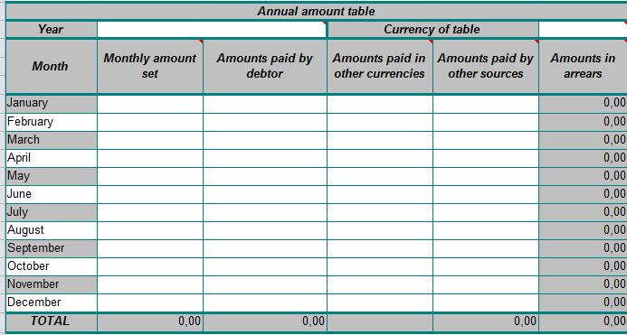
9.

10.
9. The table calculates the 'amounts in arrears' automatically using the data inserted into the columns (except the amounts paid in other currencies which are for reference only).
Enter the amounts in the cells as appropriate ; leave blank if not applicable. Not all cells/columns are intended to be used in all cases. 'Monthly amount set': enter for each month the amount indicated in the decision, court settlement or authentic instrument. 'Amounts paid by the debtor' : enter the amounts actually paid by the debtor. Where this does not correspond to the monthly amount set for the given month, the final calculation will show the balance. You should ignore the balance in the 'amounts in arrears ' column for the months concerned by the overpayment. The total arrears amount will be shown in the summary table. 'Amounts paid in other currencies' : enter partial or full payments made by the debtor in a currency other than that mentioned in the decision, court settlement or authentic instrument. Refer to the currency in which the payment was made (e.g. 1 000 CZK/HUF/PLN etc.) and convert this amount to the currency of the table entering the exchange rate used in the 'amounts paid in other currency' column and mention the result of the conversion in the 'amounts paid by the debtor' column. This monthly record of 'payments in other currencies' may be useful for some applicants, to explain the figures in the 'amounts paid by the debtor' column.
Amounts paid by other sources' : enter any payments made by public bodies or authorities other than the debtor. It is a column which enables the applicant or the authority to indicate any payment that was made not by the debtor but by another authority, office or agency (typically benefits provided in place of maintenance). These payments may be recovered by separate application. Please ignore this column if it does not apply in your case. For any entry, give the details of the 'other source' in the 'other relevant information' box at the end of the table. Do not fill in this column where the applicant is a public body, as there is no other source involved (i.e. 'other' than the applicant). Amounts in this column are not covered by the application for recovery and are deducted from the 'monthly amount set'.
Amounts in arrears': This colum shows the balance for each month calculated automatically using the figures in the 'monthly amount Set', 'amounts paid by the debtor', 'amounts paid by other sources' columns. If payments are not regular or equal, some months may show overpayment and some may show underpayment of the maintenance obligation. However, the summary table will show the actual balance regardless of temporary over- or under-payments during the period in which the arrears are accumulated.

10. In the last 'total' line of the annual amount table do not enter any amount as it appears automatically.

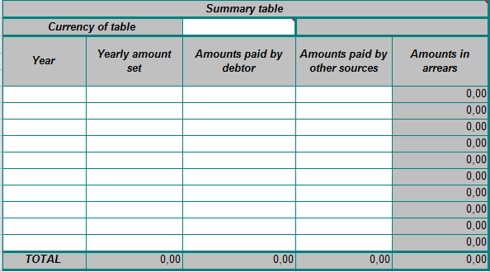

11.

11. Enter in the first column each year for which an annual amount table has been completed. In the 'amounts' colums, enter the amounts from the 'total' lines in the annual amount tables. The 'amounts paid in other currency' column is not included here as it is for reference only.
12.
12. Please provide any additional relevant information that could not be given in the previous cells.
13.
13. If indexation is used and an indexation table is attached, tick the box and enter the indexed amounts for each indexation term (as set by the national legislation in the Member State) in the 'monthly amount set' column. In this case, the monthly amount set may change from term to term. Show the calculation method for the revised amount in a supplementary table along with the national legislation on which the indexation is based.
14.
15.

16.

14. Enter the place and date of signature.
15. If the table is filled by the applicant, he/she should sign here.
16. If the table is not filled in by the applicant, enter the name and signature of the authorised person/authority. In such cases, credible information (official record or statement by the applicant) should be provided as to the source of the data into the form.

